GUI
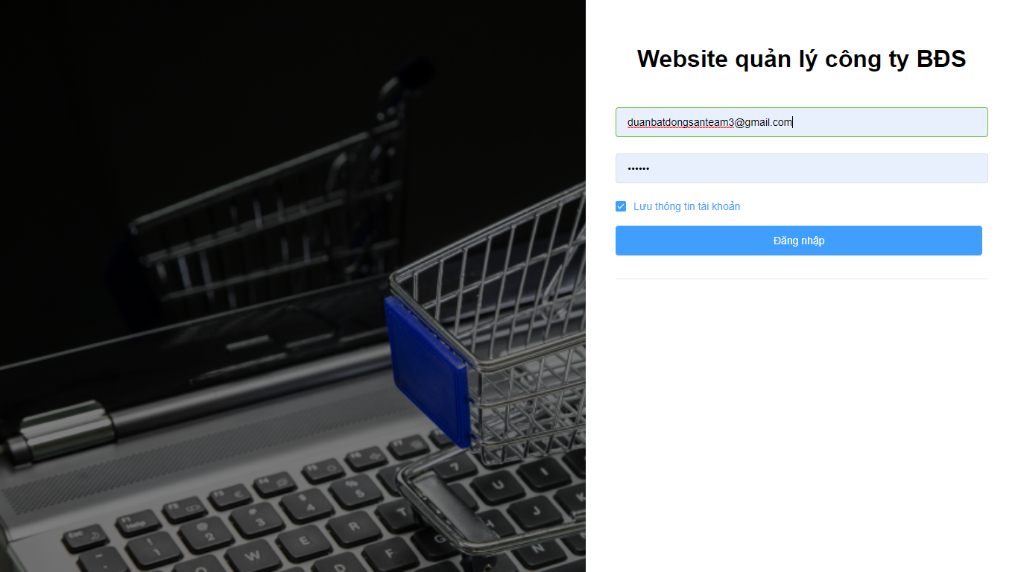
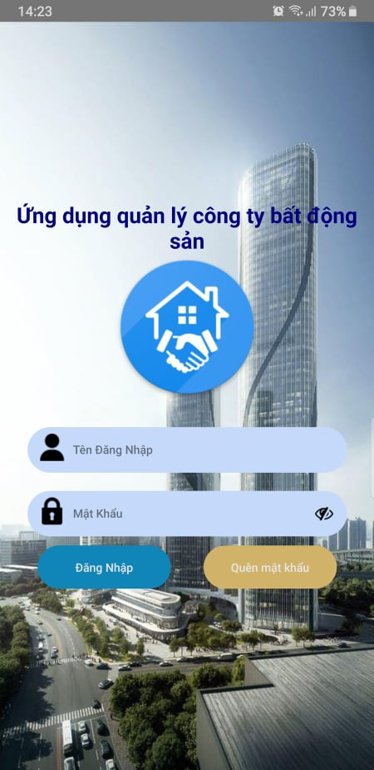

giao diện đăng nhập WEB | Giao diện đăng nhập App

